TB.MA 32
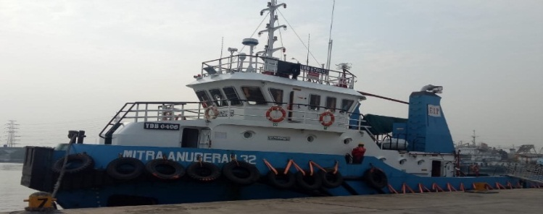
 | MASTER NAME : Capt Dari
 | PHONE NO : +87789905464
 | C/E NAME : EDISON KRISTOPEL
 | PHONE NO : +6281261769657
 | SAT PHONE : 021 509 159 83
 | Email : master.mitra.anugerah32@ekanuri.com

VESSEL NAME | TB MITRA ANUGERAH 32 (2000 hp)

VESSEL STATUS | ONHIRE
CLIENT/CHARTERER | PHE - OSES
VESSEL LOCATION | South Terminal CINTA
ON HIRE DATE | 6-Sep-19
CONTRACT DURATION | 3 Years
END CONTRACT DATE | 6-Sep-22
LAST EXTERNAL INSPECTION SIRE/PSC/PSA

LAST MANAGEMENT VISIT | 03 agustus 2020 (OPERATION)
LAST MARINE SUPERINTENDENT VISIT | 30 oct 2015/qhse
LAST MASTER ASSESMENT
LAST JOB VERIFICATION
LAST BPI SUPPLIED ONBOARD | 10/30/2015 BPI 33-39
LAST NTM SUPPLIED ONBOARD
CERTIFICATE EXPIRING IN 60 DAYS
NAME OF CERTIFICATE | EXPIRY DATE
sertifikat keselamatan contruksi kapal barang | 19 desember 2020
sertifikat keselamatan Equipmen kapal barang | 19 desember 2020
sertifikat keselamatan Radio kapal barang | 19 desember 2020
RPT | 11-Sep-20

CLASS CERTIFICATE
NEXT ANNUAL SURVEY WINDOW
NEXT DOCKING WINDOW
INTERMEDIATE WINDOW
SPECIAL SURVEY WINDOW

DEFECT REPORT
DEFECT | STATUS
1. nozel jet (kropos) | Waiting sparepart ( januari 2020)

FUEL CONSUMPTION OVER

CREW ROTATION IN 30 DAYS
CREW SIGN OFF | TENTATIVE DATE
1. ARNALDI - SECOND OFFICER | 4 WEEK(ada crew change tanggal 11 DESEMBER 2020)
2. FADJAR YULIANTO - SECOND ENGINEER | 4 WEEK(ada crew change tanggal 11 DESEMBER 2020)
3. SYAHRIL - JURU MUDI | 4 WEEK(ada crew change tanggal 11 DESEMBER 2020)

CREW RELIEVER | TENTATIVE DATE SIGN ON

CREW EXPIRED CERTIFICATE
NAME OF CERTIFICATE /HOLDER | EXPIRY DATE
1. BST - A/N :UMAR GAZAL TANASE | 16 DESEMBER 2020

INSPECTION OUTSTANDING
NC/OBSERVATION ITEMS | STATUS

DECK REQUISITION
PR Number | PO Number | Item | Date Of Request | Subject PR

Outstanding Requisition
ENGINE REQUISITION
PR Number | PO Number | Item | Date Of Request | Subject PR

Outstanding Defect
Defect description | Date reported Based on statement Of fact | Status Open / Closed date

